MVC
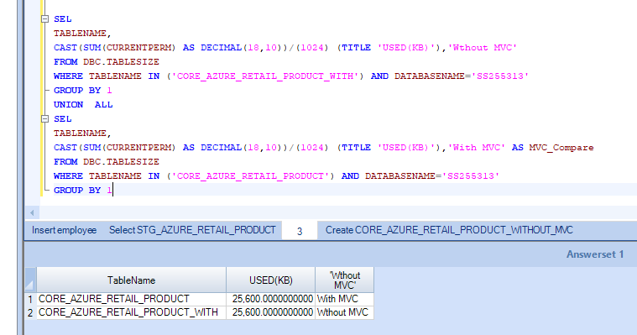
MVC Varification

 | SEL
 | TABLENAME,
 | CAST(SUM(CURRENTPERM) AS DECIMAL(18,10))/(1024) (TITLE 'USED(KB)'),'Wthout MVC'
 | FROM DBC.TABLESIZE
 | WHERE TABLENAME IN ('CORE_AZURE_RETAIL_PRODUCT_WITH') AND DATABASENAME='SS255313'
 | GROUP BY 1
 | UNION ALL
 | SEL
 | TABLENAME,
 | CAST(SUM(CURRENTPERM) AS DECIMAL(18,10))/(1024) (TITLE 'USED(KB)'),'With MVC' AS MVC_Compare
 | FROM DBC.TABLESIZE
 | WHERE TABLENAME IN ('CORE_AZURE_RETAIL_PRODUCT') AND DATABASENAME='SS255313'
 | GROUP BY 1

CORE_Online_Product
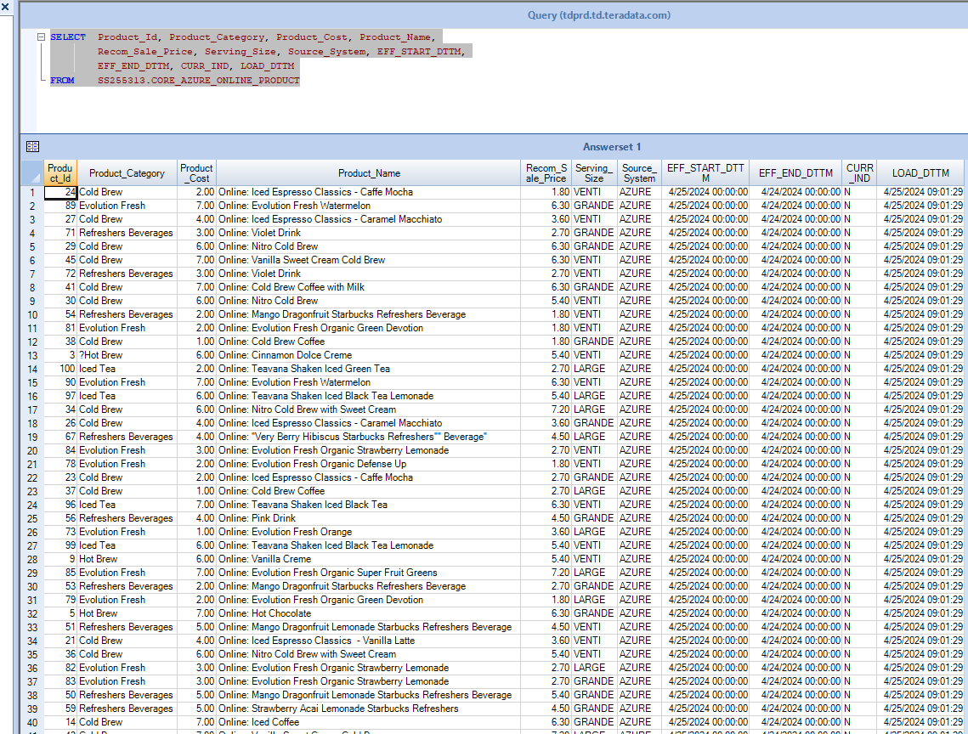
Sql | SELECT Product_Id, Product_Category, Product_Cost, Product_Name,
 | Recom_Sale_Price, Serving_Size, Source_System, EFF_START_DTTM,
 | EFF_END_DTTM, CURR_IND, LOAD_DTTM

ScreenShot

Delete Record Validation
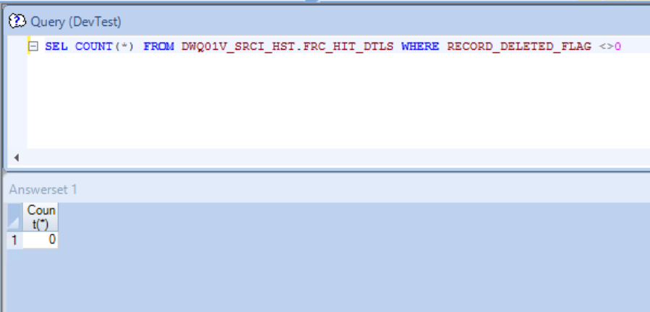
Deleted Record Validation

SEL COUNT(*) FROM DWQ01V_CORE_HST.******* WHERE RECORD_DELETED_FLAG <>0

 | Count(*)
1 | 0

Screen Shot

Duplicate Validation
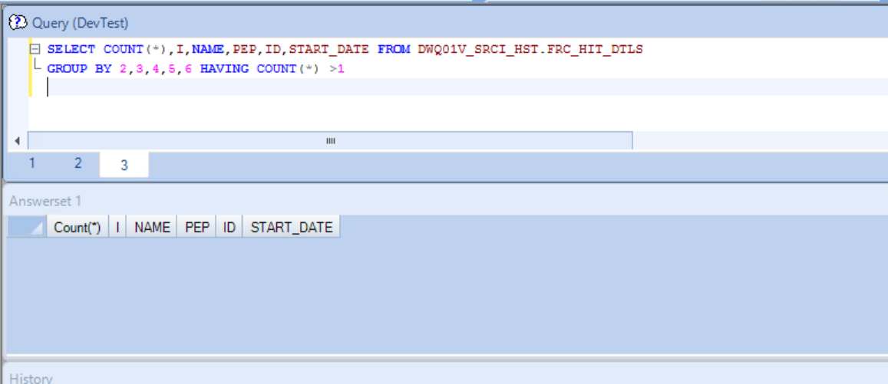
Duplicate Record Validation

SELECT COUNT(*),I,NAME,PEP,ID,START_DATE FROM DWQ01V_CORE_HST.*******
GROUP BY 2,3,4,5,6 HAVING COUNT(*) >1

Screen Shot

Null Validation
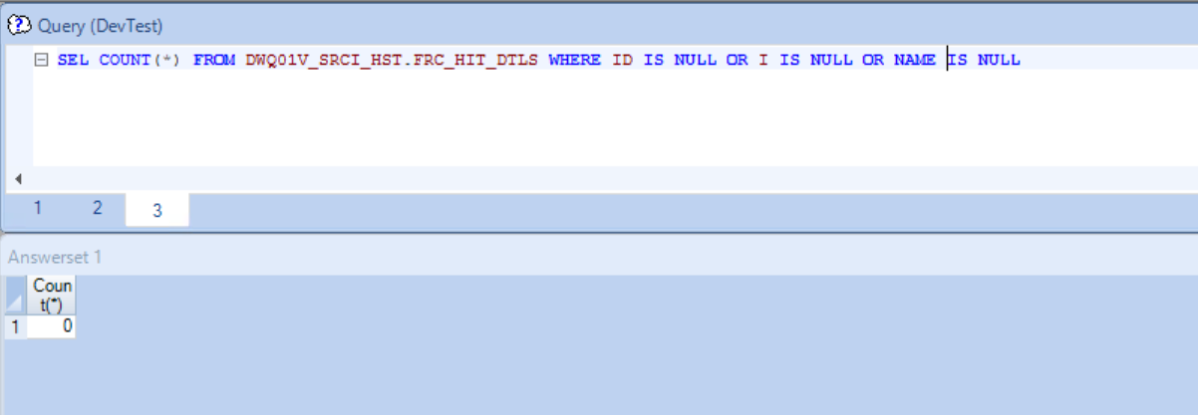
Null Value Validation

SEL COUNT(*) FROM DWQ01V_CORE_HST.******* WHERE ID IS NULL OR I IS NULL OR NAME IS NULL

 | Count(*)
1 | 0

Screen Shot

